Anugrah (Bag, Cup, Box)
DATE | INV NO. | DESCRIPTIONS | AMOUNT | BILLS | PRICE | SUBTOTAL | TOTAL
3-Dec-2025 | 2518 | HAND TOWEL TISSUE | 4 | 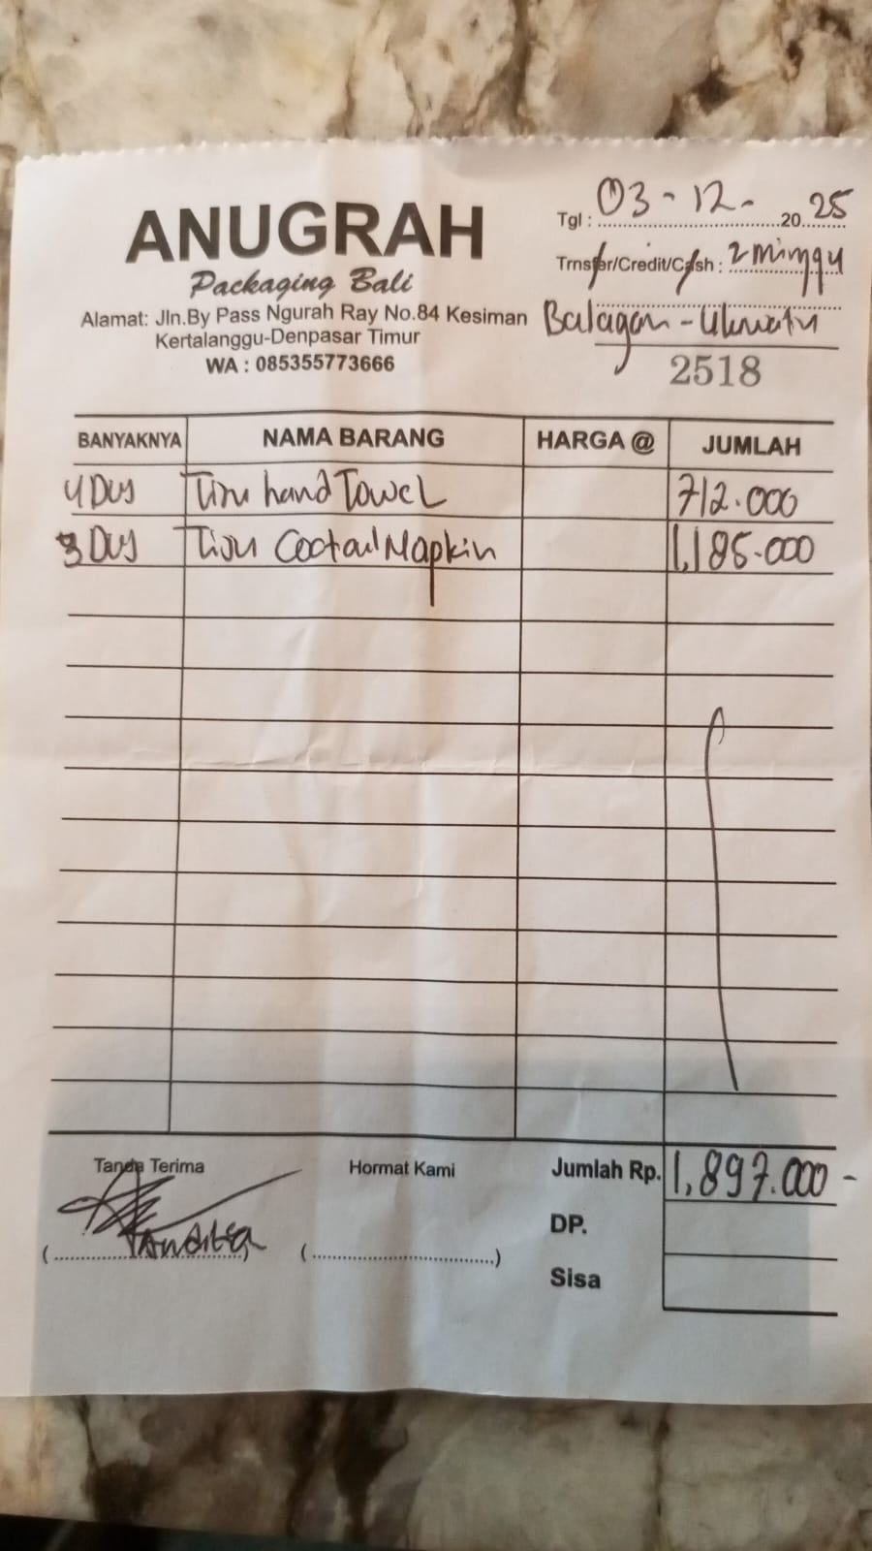 | IDR 178,000 | IDR 712,000 | IDR 1,897,000
 |  | COCKTAIL NAPKIN | 3 |  | IDR 395,000 | IDR 1,185,000
 |  |  |  |  |  | IDR - | IDR -
 |  |  |  |  |  | IDR -
 |  |  |  |  |  | IDR -
 |  |  |  |  |  | IDR -
 |  |  |  |  |  | IDR - | IDR -
GRAND TOTAL |  |  |  |  |  |  | Rp1,897,000

UD Abdi Jaya (Bag, Cup, Box)
DATE | INV NO. | DESCRIPTIONS | AMOUNT | BILLS | PRICE | SUBTOTAL | TOTAL
14-Nov-2025 | 221 | HAND GLOVES (M) | 3 | 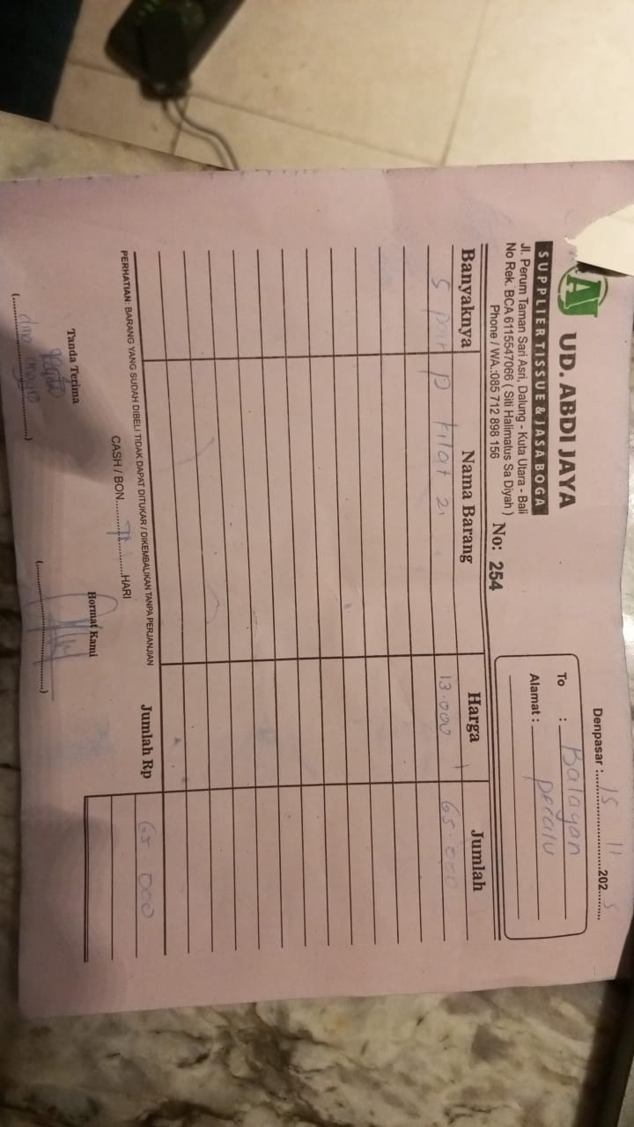 | IDR 55,000 | IDR 165,000 | IDR 165,000
15-Nov-2025 | 254 | P KILAT 2 | 5 | 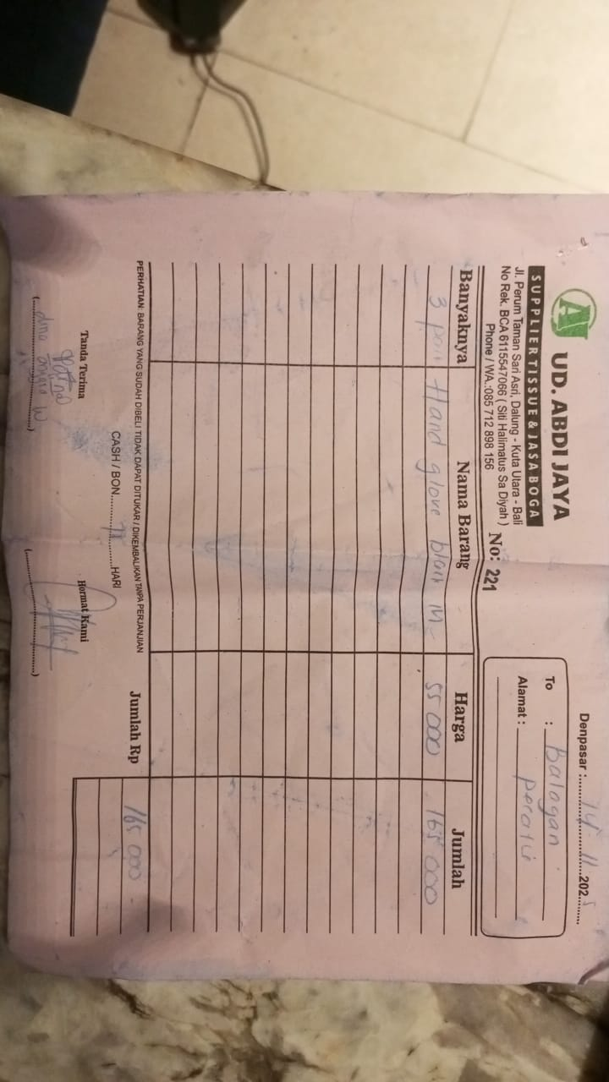 | IDR 13,000 | IDR 65,000 | IDR 65,000
24-Nov-2025 | 523 | PAPER BAG L CB08 | 200 | 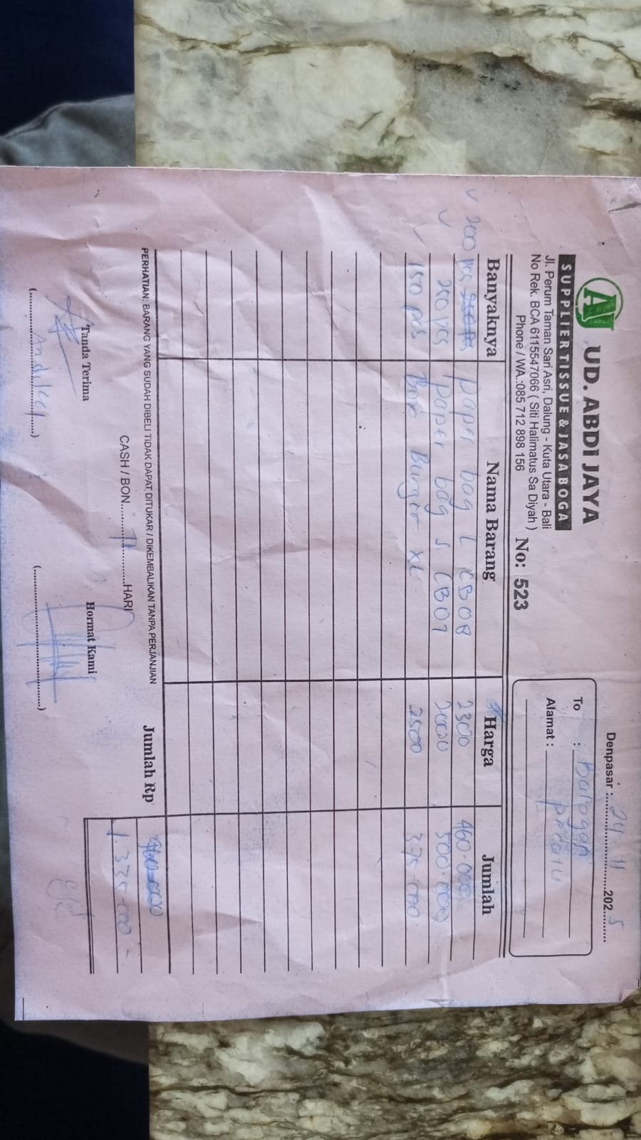 | IDR 2,300 | IDR 460,000 | IDR 1,335,000
 |  | PAPER BAG S CB07 | 250 |  | IDR 2,000 | IDR 500,000
 |  | BURGER BOX XL | 150 |  | IDR 2,500 | IDR 375,000

 |  |  |  |  |  |  | Rp1,565,000

